Sheet1
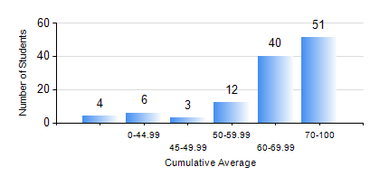
 |  |  | KWAME NKRUMAH UNIVERSITY OF SCIENCE AND TECHNOLOGY, KUMASI Department of Chemical Engineering

 |  |  | BSC. CHEMICAL ENG.

 |  |  | COMPREHENSIVE RECORD OF EXAMINATION RESULTS

 |  |  | RESULTS OF YEAR 1 FIRST SEMESTER, 2023/2024 ACADEMIC YEAR

 | Sn | Course Code |  | Course Name | Credit Hours | Min. Mark | Max. Mark | Avg. Mark | Std. Dev. | No. Passed | No. Trailed | No. (Df) | No. (I) | No. (I*) | No. Tagged(I,I*,Df) | Total
 | 0. |  |  |  |  |  |  | 0 | 0 | 0 | 0 | 0 | 0 | 0 | 0 | 2
 | 1. | CHE 151 |  | INORGANIC CHEMISTRY FOR ENGINEERS | 2 | 0 | 90 | 60 | 19.07 | 103 | 10 | 0 | 1 | 0 | 1 | 114
 | 2. | CHE 153 |  | ORGANIC CHEMISTRY FOR ENGINEERS | 2 | 0 | 93 | 61 | 19.91 | 98 | 15 | 0 | 1 | 0 | 1 | 114
 | 3. | CHEM 169 |  | PRACTICAL CHEMISTRY I | 3 | 0 | 91 | 79 | 16.34 | 107 | 6 | 0 | 1 | 0 | 1 | 114
 | 4. | EE 151 |  | APPLIED ELECTRICITY | 3 | 0 | 89 | 51 | 15.49 | 97 | 16 | 0 | 1 | 0 | 1 | 114
 | 5. | ENGL 157 |  | COMMUNICATION SKILLS I | 2 | 0 | 92 | 69 | 16.03 | 110 | 3 | 0 | 1 | 0 | 1 | 114
 | 6. | MATH 151 |  | ALGEBRA | 4 | 0 | 88 | 72 | 11.68 | 110 | 3 | 0 | 1 | 0 | 1 | 114
 | 7. | ME 159 |  | TECHNICAL DRAWING | 2 | 0 | 80 | 64 | 13.13 | 110 | 3 | 0 | 1 | 0 | 1 | 114

